CWUR_profile
Center for World University Rankings (CWUR) Data Profile

Data Sourcing
Data Source
External data collected by the Center for World University Rankings (CWUR). This organization appears to be a trustworthy source because of their mission statement, open source of data, and transparency with collection methods.

Data Collection
All data indicators, "education", "employability", "faculty", and "research" are categorized as administrative data. These indicators are administrative data because this data is measured from administrative resources such as the school, alumni information, or academic awards resources. An important emphasis of CWUR is that the university rankings do not rely on survey data, and are quantitative data.

Data Contents
This data set shows the world rank of national and international universities from 2012 to 2015, and their respective factors (national ranking, quality of education, alumni employment, quality of faculty, publications, influence, citations, broad impact, patents, core, and year) that affect the world ranking.

Limitations
The CWUR was founded in 2012 and the data set contains data from 2012 to 2015. The limitation of this data set is that it is historic and does not contain recent (within 5 years) information.

Relevance
This data set is relevant to the project because it provides world and national rankings of universities, and the values for each of the indicators used to assign the world ranking.

Data Profile
 | Data Types
Variables | Variant / Invariant |  | Structure |  | Qual./Quant. |  | Qual./Quant. Type |  | Variable Explanation
world rank | time-variant |  | Structured |  | Quantitative |  | Discrete |  | Overall world rank
institution | time-variant |  | Structured |  | Qualitative |  | Nominal |  | Name of the university
country | time-invariant |  | Structured |  | Qualitative |  | Nominal |  | Country location of the university
national rank | time-variant |  | Structured |  | Quantitative |  | Discrete |  | National rank
quality of education | time-variant |  | Structured |  | Quantitative |  | Discrete |  | Weighted # of univeristy's alumni who have won major awards, medals, prizes relative to univeristy size.
alumni employment | time-variant |  | Structured |  | Quantitative |  | Discrete |  | Weighted average number of a university's alumni who have held CEO positions since 2011 at the world's top 2000 public companies (from Forbes) relative to university size.
quality of faculty | time-variant |  | Structured |  | Quantitative |  | Discrete |  | Weighted # of faculty members of an institution who have won awards, medals, and prizes (listed in CWUR methodology).
publications | time-variant |  | Structured |  | Quantitative |  | Discrete |  | Combined number of articles (quality of journal is weighted and self-citations are excluded).
influence | time-variant |  | Structured |  | Quantitative |  | Discrete |  | Number of "article" publications in the last 10 full years in influential journals.
citations | time-variant |  | Structured |  | Quantitative |  | Discrete |  | Most cited "article" publications counted
broad impact | time-variant |  | Structured |  | Quantitative |  | Discrete |  | Could not find additional information
patents | time-variant |  | Structured |  | Quantitative |  | Discrete |  | Could not find additional information -- may be referring to number of patents
score | time-variant |  | Structured |  | Quantitative |  | Continuous |  | 0 to 100 Gaussian bell curve scoring
year | time-invariant |  | Structured |  | Quantitative |  | Discrete |  | Year the data was collected / calculated

Number of rows | 2200
Number of columns | 14

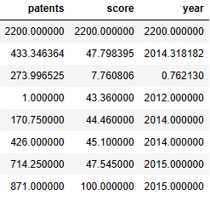
RAW DATA
Data Integrity
Data Accuracy
(numeric columns)

Data Consistency
Counts Expected
 | Variables |  | Count
 | year* and country |  | 1000 rows for each year
 | country and institution |  | **

 | *Only 2014 and 2015 have 1000 rows. 2012 and 2013 only have 100 rows each.
 | **Each country has a different number of institutions in the world ranking data set. For example, the U.S. has 573 institutions in the world ranking and Lebanon has 2.

 | Variable | Missing Values |  | Change |  | Full Duplicates |  | Change
 | broad impact | 200 |  | Removed the entrie column and saved as a new clean, data frame

 | Only the "broad impact" variable had missing values and there were no full duplicates present in the data set.
 | Could not determine the significance/meaning of the broad impact column.

Data Cleaning (renaming, reformatting, etc.)
Variables | Changes
country | Changed "USA" to "United States" to stay consistent
country | Changed "institution" variable name to "university_name" to stay consistent with other data sets.

Number of rows | 2200
Number of columns | 13

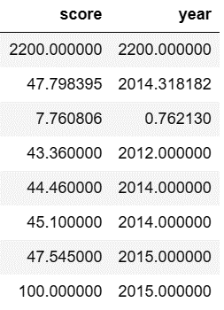
CLEAN DATA
Data Integrity
Data Accuracy
(numeric columns)

ARWU_profile
Academic Ranking of World Universities (ARWU) Data Profile

Data Sourcing
Data Source
External data collected by the Academic Ranking of World Universities (ARWU). This data source is trustworthy because it is a publication organization and its goal is to provide insight into the quality of higher education institutions.

Data Collection
The ARWU has a defined criteria for the universities that are included in their world ranking. In addition to this criteria, there are indicators/factors that are used to rank the universities, and each indicator is weighed differently depending on importance. All of the indicators are administrative data (data collected directly from the university or institution).

Data Contents
This data set shows the world rank of national and international universities from 2005 to 2015, and their respective factors (alumni, award, the number of cited researchers, the number of papers published, the number of papers indexed in specific indices, and the overall weighted score of all indicators) that affect the world ranking.

Limitations
The ARWU was founded in 2005 and the data set contains data from 2005 to 2015. The limitation of this data set is that it is historic and does not contain recent (within 5 years) information. Additionally, there is a criteria for which universities are considered in the world ranking (i.e. "universities with any Nobel Laureates, Fields Medalists, Highly Cited Researchers, or papers published in Nature or Science"). Although the goal of this organization is to highlight higher education institutions, this organization excludes universities that could help provide insightful data on how to improve those universities that are not considered "higher" education by this criteria.

Relevance
This data set is relevant to the project because it provides world and national rankings of universities, and the values for each of the indicators used to assign the world ranking. It is also an additional ranking system that can be compared to the CWUR method.

Data Profile
 | Data Types
Variables | Variant / Invariant |  | Structure |  | Qual./Quant. |  | Qual./Quant. Type |  | Variable Explanation
world rank | time-variant |  | Structured |  | Quantitative |  | Discrete |  | Overall world rank
university name | time-variant |  | Structured |  | Qualitative |  | Nominal |  | Name of the university
national rank | time-variant |  | Structured |  | Quantitative |  | Discrete |  | National rank
total score | time-variant |  | Structured |  | Quantitative |  | Continuous |  | Total score
alumni | time-variant |  | Structured |  | Quantitative |  | Continuous |  | (Quality of Education) Total # of alumni winning Nobel Prizes and Fields Medals (weighted depending on year).
award | time-variant |  | Structured |  | Quantitative |  | Continuous |  | (Quality of Faculty) Total # of staff winning prizes and medals in specific fields. The "staff" are those working at the university at the time of winning the prize.
hici | time-variant |  | Structured |  | Quantitative |  | Continuous |  | (Quality of Faculty) # of highly cited researches
ns | time-variant |  | Structured |  | Quantitative |  | Continuous |  | (Research Output) # of papers published in Nature and Science (2017 to 2021)
pub | time-variant |  | Structured |  | Quantitative |  | Continuous |  | (Research Output) Total # of papers indexed in specific citations in 2021
pcp | time-variant |  | Structured |  | Quantitative |  | Continuous |  | (Per Capita Performance) Weighted scores of alumni, award, hici, ns, and pub indicators divided by the # of full-time academic staff.
year | time-invariant |  | Structured |  | Quantitative |  | Discrete |  | Year the data was collected / calculated

Number of rows | 4897
Number of columns | 11

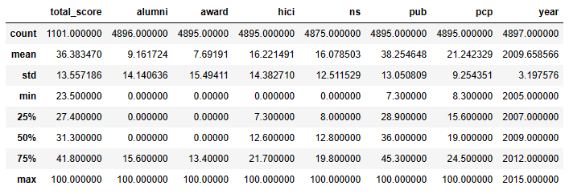
RAW DATA
Data Integrity
Data Accuracy
(numeric columns)

 | Variable | Missing Values |  | Change |  | Full Duplicates |  | Change
 | total score | 3796 |  | Bc this makes up 77% of the total number of rows, I chose to leave as "NaN". Removing all of these values would significantly skew the summary statistics. The toal score may not have been calculated.
 | alumni | 1 |  | Same row as "world rank" 99 in 2013.
 | award | 2 |  | No change. This corresponds to missing data from one university (University of Oregon) in 2012. The second missing value* corresponds to "world rank" 99 in 2013, which has the entire row missing values.
 | hici | 2 |  | Same as "award" variable.
 | ns | 22 |  | No change. The years missing (2005 to 2015) correspond to how the data was collected: papers published btwn 2017 and 2021.
 | pub | 2 |  | Same as "award" variable.
 | year | 2 |  | Same as "award" variable.
 | *I chose to remove the "world rank" 99 row (index number 3896) because with the exception of the world rank and year, all the data is missing.

 | No full duplicates

Data Consistency |  |  |  | Data Cleaning (renaming, reformatting, etc.)
Counts Expected | Year / # of Rows |  |  | Variables | Changes
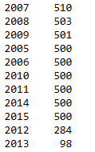

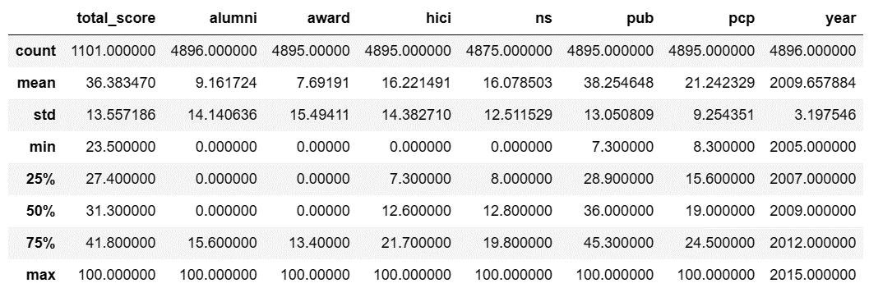
CLEAN DATA
Data Integrity
Data Accuracy
(numeric columns)
(after removing "world rank" 99)

Times_profile
Times Higher Education (THE) Data Profile

Data Sourcing

Data Source
External data collected by the Times Higher Education (THE) organization. This organization appears to be trustworthy because it is an internationally recognized organization.

Data Collection
The teaching, research, citations, international outlook, and industry income indicators all contain administrative data and survey data. For example, the teaching and research indicators rely on reputation surveys for collecting data.

Data Contents
This data set shows the world rank of national and international universities from 2011 to 2016, and their respective factors (teaching score, international score, research score, citations, income, total score, number of students, student to staff ratio, international students, female to male ratio, and year).

Limitations
THE was founded in 2010 and the data set contains data from 2011 to 2016. The limitation of this data set is that it is historic and does not contain recent (within 5 years) information. Additionally, in the two main factors/indicators, the data collection process heavily relies on survey data. Survey data is subjective and presents bias, such as missing data (due to manual entry).

Relevance
This data set is relevant to the project because it provides world and national rankings of universities, and the values for each of the indicators used to assign the world ranking. It is also an additional ranking system that can be compared to the CWUR and ARWU methods.

Data Profile
 | Data Types
Variables | Variant / Invariant |  | Structure |  | Qual./Quant. |  | Qual./Quant. Type |  | Variable Explanation
world rank | time-variant |  | Structured |  | Quantitative |  | Discrete |  | Overall world rank
university name | time-variant |  | Structured |  | Qualitative |  | Nominal |  | Name of the university
country | time-invariant |  | Structured |  | Qualitative |  | Nominal |  | Country location of the university
teaching | time-variant |  | Structured |  | Quantitative |  | Continuous |  | (Learning environment) Composed of reputation survey, staff-to-student ratio, doctorate-to-bachelor's ratio, doctorates-awarded-to-academic-staff ratio, and institutional income.
international | time-variant |  | Structured |  | Quantitative |  | Continuous |  | (International outlook) Composed of the proportion of international students, international staff, and international collaboration.
research | time-variant |  | Structured |  | Quantitative |  | Continuous |  | (Volume, income, and reputation) Composed of reputation survey (reputation for research excellence), research income, and research productivity.
citations | time-variant |  | Structured |  | Quantitative |  | Continuous |  | Research influence -- university's role in spreading new knowledge and ideas (i.e. average number of times a university's published work is cited by scholars globally)
income | time-variant |  | Structured |  | Quantitative |  | Continuous |  | How much research income an institution earns from industry, scaled against the number of academic staff it employs.
total score | time-variant |  | Structured |  | Quantitative |  | Continuous |  | Standardised indicators are combined
num students | time-variant |  | Structured |  | Quantitative |  | Discrete |  | Total number of students
student staff ratio | time-variant |  | Structured |  | Quantitative |  | Continuous |  | Student to staff ratio (decimal)
international students | time-variant |  | Structured |  | Quantitative |  | Discrete |  | %Percent of international students
female male ratio | time-variant |  | Structured |  | Quantitative |  | Discrete |  | Female to male ratio (# : #)
year | time-invariant |  | Structured |  | Quantitative |  | Discrete |  | Year the data was collected

Number of rows | 2603
Number of columns | 14
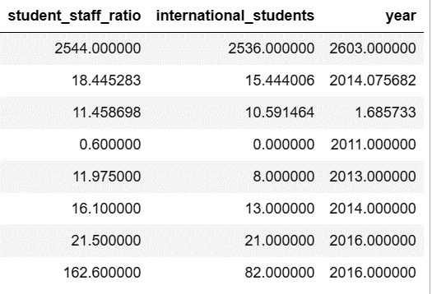
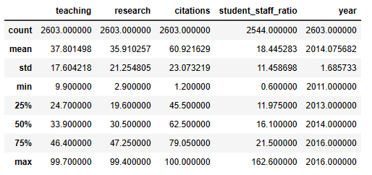
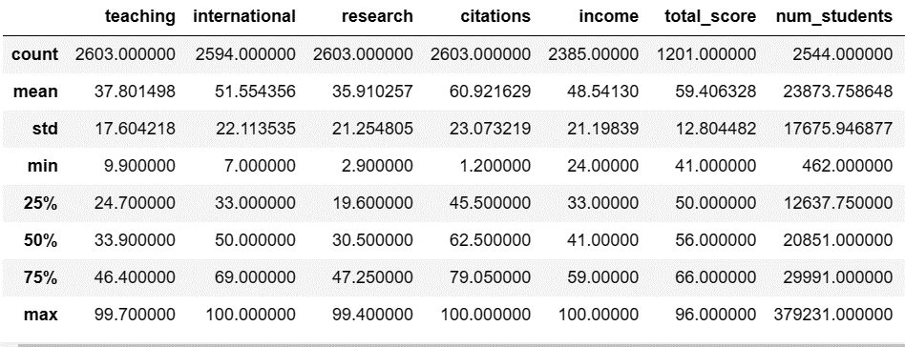
RAW DATA |  |  |  |  |  |  |  |  |  | CLEAN DATA
Data Integrity |  |  |  |  |  |  |  |  |  | Data Integrity
Data Accuracy |  |  |  |  |  |  |  |  |  | Data Accuracy
(numeric columns) |  |  |  |  |  |  |  |  |  | (numeric columns)

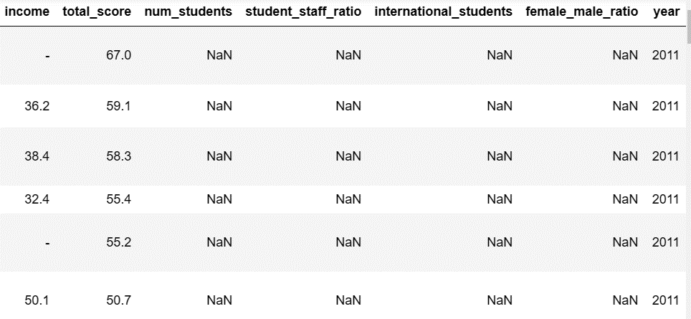
 | Variable | Missing Values |  | Change |  | Full Duplicates |  | Change
 | income | - |  | See below
 | total score | - |  | See below
 | num students * | 59 |  | See below
 | international students* | 67 |  | See below
 | student to staff ratio* | 59 |  | See below
 | female male ratio*^ | 233 |  | See below

 | *The number of students, student staff ratio, international students, and female male ratio all have null/missing data.
 | If the number of students were not collected/recorded for a given year, then the other variables that depend on the
 | number of students will also have missing data. I did not see one particular year or a specific school/country that this
 | occurred for. It seemed random with respect to variables that did not involve the number of students.
 | In general the female male ratio may not have been calculated for some data entries.
 | ^ I chose not to correct the data type of the female male ratio variable because the format included a colon to
 | represent the ratio of female students on the left and the ratio of male students on the right.
 | No full duplicates

Data Cleaning (renaming, reformatting, etc.)
Variables | Changes
num students | Data type was "string", so replaced the "," with " " (to remove the comma from the data values) then changed the data type from string to integer.
income | Data type was "string", replaced the "-" with "NaN", then changed the data type to integer.
total score | Data type was "string", replaced the "-" with "NaN", then changed the data type to integer.
international students | Data type was "string", replaced the "-" with "NaN". Replaced the "%" with " ". Then changed data type from "float" to "integer". Although the percent sign is removed, this number is still represented as a percentage.
country | Changed spelling of "United States of America" and "United Kingdom"

The above changes were made so that the variables could be included in the descriptive/summary statistics.

school_and_country_profile
School and Country table Data Profile

Data Sourcing

Data Source
External data provided by the "World University Rankings" data set by Myles O'Niell from Kaggle. Due to how the data sets are presented on this particular Kaggle page and the information provided (i.e. there are external links to additional information, and supplemental data), this appears to be a trustworthy data source.

Data Collection
This data set is administrative data because it consists of the school/university name and the country that the school is located in.

Data Contents
This data set shows the university name and the country that the school is located in.

Limitations
This data set is straightforward. However, there are only 818 schools listed in this data set. One limitation is that this list is incomplete when compared to the other world ranking data sets (one data set claims to include over 2000 universities).

Relevance
This data set is relevant to the project because it provides the country location information for the universities. Eventually this data set can be integrated into the other world ranking data sets to include a geolographical component in these data sets (if need be).

Data Profile
 | Data Types
Variables | Variant / Invariant |  | Structure |  | Qual./Quant. |  | Qual./Quant. Type |  | Variable Explanation
school name | time-variant |  | Structured |  | Qualitative |  | Nominal |  | University name
country | time-invariant |  | Structured |  | Qualitative |  | Nominal |  | Country location for the university

Number of rows | 818
Number of columns | 2
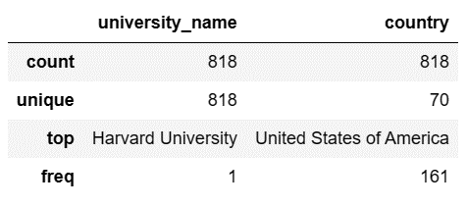
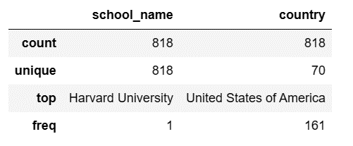
RAW DATA |  |  |  |  |  |  |  | CLEAN DATA
Data Integrity |  |  |  |  |  |  |  | Data Integrity
Data Accuracy |  |  |  |  |  |  |  | Data Accuracy
(numeric columns) |  |  |  |  |  |  |  | (numeric columns)

 | Variable | Missing Values |  | Change |  | Full Duplicates |  | Change

 | No missing values or full duplicate values in the data set.

Data Cleaning (renaming, reformatting, etc.)
Variables | Changes
school name | Changed to "university_name" to be more consistent with the other data sets

Limits & Ethics
Limitations and Ethics

Center for World University Rankings (CWUR)
Limitations
- Not every country is represented in this world ranking (only 59 countries meet the criteria defined in the methodology. So this world ranking appears to be exclusive/selective. But 1024 universities are represented within the 59 countries.
- I am not sure how the national rank was calculated. It would be interesting to see how the national ranks also compare for the other data sets too.
- This data set only covers data collected between 2012 to 2015. Since it is now 2023, there are 7 years of data missing.
Ethics
- I think the criteria used to calculate a total score or determine a world rank seem very exclusive (this is an observation for the AWUR and Times world rankings too). Only 59 countries are represented and there are 195 countries in the world. I understand that the rankings are supposed to highlight the best / highest quality universities, however, a lot of universities (and countries) are excluded from this ranking because a certain criteris is not met. So we do not necessarily see a comparison of how a "average" university performs.

Academic Ranking of World Universities (AWUR)
Limitations
- Similar to the CWUR data set, I am not sure how the national rank was calculated.
- The data covers 2005 to 2015, although this makes it a good candidate to compare the CWUR data set to, there are still current years missing from the data set.
- According to online resources, the methodology / criteria is even more exclusive than other's such as CWUR. For example, there are fewer medals / awards taken into consideration for the "alumni" variable. Whereas, other methodologies include more medals / awards when calculating a score.
- The "Research Output" indicator only covers years 2017 to 2021 (this was taken from the current methodology on the AWUR website). This means that anything prior to 2017 may have missing data.
- The country location for the universities is no available for this data set.
Ethics
- I think the criteria to calculate scores are exclusive (exclusionary bias). Although 658 universities are included in this world ranking, this is significantly smaller than the number of universities in the CWUR data set. This is because of the stricter criteria.
- I am not sure if leaving the country variable out was intentional (to prevent bias), but it would be interesting to see how spread out across the world these high quality education institutions are.

Times Higher Education (THE)
Limitations
- Not every country is represented in this world ranking (only 72 countries). Additionally, only 818 universities are represented in this world ranking, majority of which are located in the United States (this is also true for the CWUR data set).
- Similarly to the other world rankings, this data set feels outdated because it contains data collected from 2011 to 2016.
Ethics
- Majority of the data collected heavily relied on survey data. Data collected via surveys may contain bias. For example, if survey data are collected from alumni, these alumni may over exaggerate inflate the reputation of the university. Because the data relies on surveys / subjective opinions, I need to be cautious of the calculated scores.

School and Country table
Limitations
- In this data set, 818 universities are represented from 70 different countries. This list is not inclusive of every university and may or may not be usable for integrating into the AWUR data set (which is missing countries for the university locations).
Ethics
- Building off of the above limitation, this list excludes a lot of universities (exclusionary bias). This could be how the data was collected (collection bias).

